TC OrangeHRM
Project Name: | happyapple Application
Module Name: |  | Date Updated:
Last Build Tested: | NA | ReviewedBy: hseetin BN
Run No: | 1 | ExecutedBy: Niteesh
Run Date: | 2022-06-23 | Execution Time: 3days
Test Objective: | To verify happyapple
Test Setup: | Windows10,Excel2010
Req.ID | Test caseID | TestCase Description | Test Steps | Test Data | Expected Result | Actual Result | Pass/Fail
R_1.1 | TC_01 | Checking Customer Login With Valid Data | 1.Go To Site http://opensource demo.happyapplelive.com/ 2.Enter Username: Admin 3.Enter Password:admin123 4.Click On Login Button | Username : Admin Password : admin123 | User should Login into happyapple Application | Working as Expected(Application Reaching to Dashboard) | Passed
R_1.2 | TC_02 | Checking Customer Login With Invalid Data | 1.Go To Site http://opensourcedemo .happyapplelive.com/ 2.Enter UserID 3.Enter Password 1.Go To Site http://opensourcedemo demo.happyapplelive.com/ 2.Enter UserID 3.Enter Password | Username : Admin Password : ABCD | User should not Login into happyapple Application | Working as Expected(Displaying Invalid Credentials) | Passed
R_1.3 | TC_03 | Checking Customer Login With Invalid Data | 1.Go To Site http://opensourcedemo. happyapplelive.com/ 2. Enter UserID 3. Enter Password | Username : Abcd Password : admin123 | User should not Login into happyapple Application |  | Passed
R_1.4 | TC_04 | Checking the Functionality of Adding User | 1.Go To Site http://opensourcedemo. happyapplelive.com/ 2. Enter UserID 3. Enter Password 4.Click on Login 5.Click on Admin 6.Click on Add 7. Select User role 8.Enter Employee Name 9.Enter Username 10.Select Status 11.Enter Password 12.Confirm Password 13.Click Save | Username : Admin Password : admin123 User Role : Admin Employee name : Alice Duval Username : DemoTester Status : Enabled Password : Abcd@123 Confirm Password : Abcd@123 | User can Able to Add the New User and the Data is Saved | 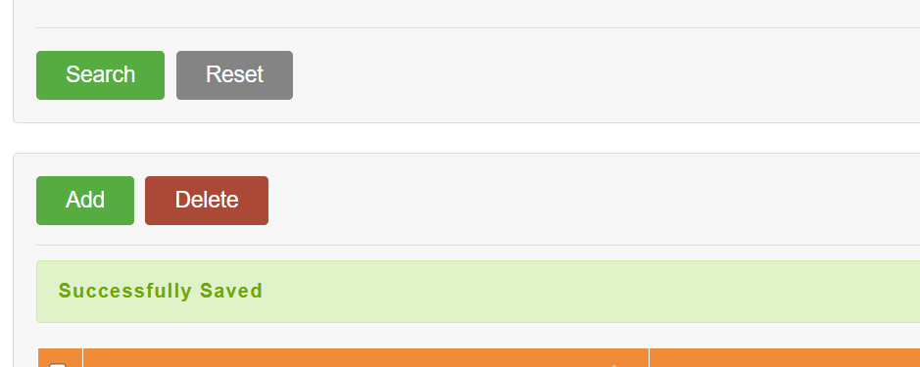 | Passed
R_1.5 | TC_05 | Search and Edit the Record | 1.GoTo Websitehttps://opensource-demo.happyapplelive.com/ 2.Enter Username 3.Enter Password 4.Click Login 5.Click on Admin 6.Enter Username 7.Select User role 8.Employee Name 9.Status 10.Click Search 11.Click Check box & Select User 12.Click Change Password CheckBox 13.Enter New Password 14.Enter Confirm Password 15.Click Save | Username : Admin Password : admin123 Username : DemoTester Employee Name : Alice Duval Status : Enabled New Password : Admin123## Confirm Password : Admin123## | User Can Able To Search and Edit the Details | Worrking as Expected User Can Search And Edit the Details | Passed
R_1.6 | TC_06 | Search and Delete the Record | 1.GoTo the https://opensource demo.happyapplelive.com/ 2.Enter Username 3.Enter Password 4.Click on Admin 5.Enter Username 6.Select User Role 7.Enter Employee Name 8.Select Status 9.Click Search 10.Select the User Record Checkbox 11.Click Delete | Username : Admin Password : admin123 Username : DemoTester Employee Name : Alice Duval Status : Enabled | User Can Able to Search and Delete The Existing record | Working As Expected User Can Able to Search And Delete the Existing Record | Passed

